Daily Power Station Chart_14-01
Plant_11/01/2025Chart

Plant:odco1 |  |  | Installed Capacity:111.180kWp
Today Yield(kWh):536.900kWh |  | Today Earning:214760.000TND |  | Today Full Load Hours(h):4.83h

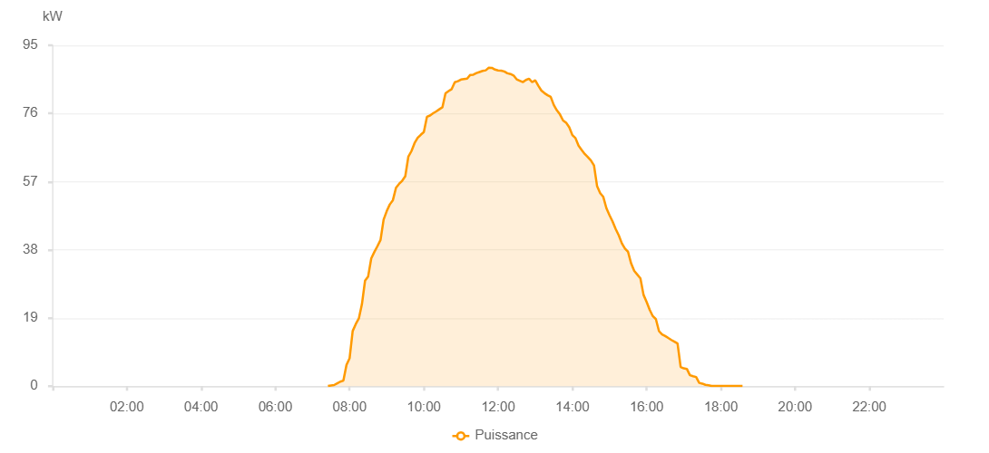

Number | Time | Working State | PV(W) | Instantaneous Radiation(W/㎡)
1 | 07:25:00 | Online | 50.00000 | 0
2 | 07:30:00 | Online | 200.00000 | 0
3 | 07:35:00 | Online | 320.00000 | 2.00000
4 | 07:40:00 | Online | 790.00000 | 2.00000
5 | 07:45:00 | Online | 1260.00000 | 11.00000
6 | 07:50:00 | Online | 1560.00000 | 11.00000
7 | 07:55:00 | Online | 5920.00000 | 125.00000
8 | 08:00:00 | Online | 7750.00000 | 125.00000
9 | 08:05:00 | Online | 15370.00000 | 161.00000
10 | 08:10:00 | Online | 17320.00000 | 200.00000
11 | 08:15:00 | Online | 18890.00000 | 261.00000
12 | 08:20:00 | Online | 22900.00000 | 261.00000
13 | 08:25:00 | Online | 29420.00000 | 290.00000
14 | 08:30:00 | Online | 30580.00000 | 315.00000
15 | 08:35:00 | Online | 35620.00000 | 340.00000
16 | 08:40:00 | Online | 37400.00000 | 391.00000
17 | 08:45:00 | Online | 39010.00000 | 415.00000
18 | 08:50:00 | Online | 40750.00000 | 441.00000
19 | 08:55:00 | Online | 46440.00000 | 441.00000
20 | 09:00:00 | Online | 48770.00000 | 476.00000
21 | 09:05:00 | Online | 50660.00000 | 476.00000
22 | 09:10:00 | Online | 51850.00000 | 518.00000
23 | 09:15:00 | Online | 55300.00000 | 518.00000
24 | 09:20:00 | Online | 56370.00000 | 539.00000
25 | 09:25:00 | Online | 57240.00000 | 585.00000
26 | 09:30:00 | Online | 58510.00000 | 585.00000
27 | 09:35:00 | Online | 64000.00000 | 599.00000
28 | 09:40:00 | Online | 65520.00000 | 614.00000
29 | 09:45:00 | Online | 67740.00000 | 630.00000
30 | 09:50:00 | Online | 69200.00000 | 663.00000
31 | 09:55:00 | Online | 70060.00000 | 663.00000
32 | 10:00:00 | Online | 70820.00000 | 690.00000
33 | 10:05:00 | Online | 75070.00000 | 703.00000
34 | 10:10:00 | Online | 75430.00000 | 719.00000
35 | 10:15:00 | Online | 76050.00000 | 719.00000
36 | 10:20:00 | Online | 76580.00000 | 728.00000
37 | 10:25:00 | Online | 77170.00000 | 740.00000
38 | 10:30:00 | Online | 77730.00000 | 763.00000
39 | 10:35:00 | Online | 81640.00000 | 763.00000
40 | 10:40:00 | Online | 82240.00000 | 773.00000
41 | 10:45:00 | Online | 82790.00000 | 780.00000
42 | 10:50:00 | Online | 84700.00000 | 788.00000
43 | 10:55:00 | Online | 84990.00000 | 795.00000
44 | 11:00:00 | Online | 85450.00000 | 810.00000
45 | 11:05:00 | Online | 85590.00000 | 810.00000
46 | 11:10:00 | Online | 85730.00000 | 816.00000
47 | 11:15:00 | Online | 86760.00000 | 821.00000
48 | 11:20:00 | Online | 86810.00000 | 830.00000
49 | 11:25:00 | Online | 87250.00000 | 830.00000
50 | 11:30:00 | Online | 87560.00000 | 836.00000
51 | 11:35:00 | Online | 87860.00000 | 836.00000
52 | 11:40:00 | Online | 88020.00000 | 841.00000
53 | 11:45:00 | Online | 88730.00000 | 839.00000
54 | 11:50:00 | Online | 88710.00000 | 844.00000
55 | 11:55:00 | Online | 88230.00000 | 843.00000
56 | 12:00:00 | Online | 88000.00000 | 847.00000
57 | 12:05:00 | Online | 87950.00000 | 843.00000
58 | 12:10:00 | Online | 87710.00000 | 843.00000
59 | 12:15:00 | Online | 87210.00000 | 844.00000
60 | 12:20:00 | Online | 87000.00000 | 841.00000
61 | 12:25:00 | Online | 86600.00000 | 841.00000
62 | 12:30:00 | Online | 85520.00000 | 829.00000
63 | 12:35:00 | Online | 85130.00000 | 829.00000
64 | 12:40:00 | Online | 84740.00000 | 823.00000
65 | 12:45:00 | Online | 85340.00000 | 817.00000
66 | 12:50:00 | Online | 85680.00000 | 818.00000
67 | 12:55:00 | Online | 84720.00000 | 808.00000
68 | 13:00:00 | Online | 85250.00000 | 796.00000
69 | 13:05:00 | Online | 83750.00000 | 796.00000
70 | 13:10:00 | Online | 82370.00000 | 787.00000
71 | 13:15:00 | Online | 81660.00000 | 781.00000
72 | 13:20:00 | Online | 81090.00000 | 765.00000
73 | 13:25:00 | Online | 80630.00000 | 765.00000
74 | 13:30:00 | Online | 78360.00000 | 755.00000
75 | 13:35:00 | Online | 76870.00000 | 745.00000
76 | 13:40:00 | Online | 75720.00000 | 734.00000
77 | 13:45:00 | Online | 74040.00000 | 726.00000
78 | 13:50:00 | Online | 73390.00000 | 702.00000
79 | 13:55:00 | Online | 72160.00000 | 690.00000
80 | 14:00:00 | Online | 69980.00000 | 690.00000
81 | 14:05:00 | Online | 69150.00000 | 664.00000
82 | 14:10:00 | Online | 67040.00000 | 664.00000
83 | 14:15:00 | Online | 65860.00000 | 630.00000
84 | 14:20:00 | Online | 64730.00000 | 630.00000
85 | 14:25:00 | Online | 63860.00000 | 619.00000
86 | 14:30:00 | Online | 62890.00000 | 593.00000
87 | 14:35:00 | Online | 61500.00000 | 593.00000
88 | 14:40:00 | Online | 55720.00000 | 561.00000
89 | 14:45:00 | Online | 53800.00000 | 561.00000
90 | 14:50:00 | Online | 52750.00000 | 527.00000
91 | 14:55:00 | Online | 49620.00000 | 508.00000
92 | 15:00:00 | Online | 47670.00000 | 508.00000
93 | 15:05:00 | Online | 45880.00000 | 473.00000
94 | 15:10:00 | Online | 43800.00000 | 473.00000
95 | 15:15:00 | Online | 42020.00000 | 455.00000
96 | 15:20:00 | Online | 39810.00000 | 415.00000
97 | 15:25:00 | Online | 38370.00000 | 415.00000
98 | 15:30:00 | Online | 37440.00000 | 398.00000
99 | 15:35:00 | Online | 34190.00000 | 379.00000
100 | 15:40:00 | Online | 32140.00000 | 360.00000
101 | 15:45:00 | Online | 31090.00000 | 340.00000
102 | 15:50:00 | Online | 30030.00000 | 321.00000
103 | 15:55:00 | Online | 25470.00000 | 42.00000
104 | 16:00:00 | Online | 23500.00000 | 41.00000
105 | 16:05:00 | Online | 21260.00000 | 41.00000
106 | 16:10:00 | Online | 19520.00000 | 39.00000
107 | 16:15:00 | Online | 18680.00000 | 39.00000
108 | 16:20:00 | Online | 15340.00000 | 37.00000
109 | 16:25:00 | Online | 14440.00000 | 35.00000
110 | 16:30:00 | Online | 13990.00000 | 33.00000
111 | 16:35:00 | Online | 13430.00000 | 33.00000
112 | 16:40:00 | Online | 12880.00000 | 30.00000
113 | 16:45:00 | Online | 12400.00000 | 30.00000
114 | 16:50:00 | Online | 11900.00000 | 25.00000
115 | 16:55:00 | Online | 5320.00000 | 25.00000
116 | 17:00:00 | Online | 4960.00000 | 20.00000
117 | 17:05:00 | Online | 4820.00000 | 20.00000
118 | 17:10:00 | Online | 3060.00000 | 18.00000
119 | 17:15:00 | Online | 2780.00000 | 14.00000
120 | 17:20:00 | Online | 2560.00000 | 9.00000
121 | 17:25:00 | Online | 920.00000 | 6.00000
122 | 17:30:00 | Online | 710.00000 | 6.00000
123 | 17:35:00 | Online | 370.00000 | 3.00000
124 | 17:40:00 | Online | 260.00000 | 0
125 | 17:45:00 | Online | 70.00000 | 0
126 | 17:50:00 | Online | 50.00000 | 0
127 | 17:55:00 | Online | 40.00000 | 0
128 | 18:00:00 | Online | 40.00000 | 0
129 | 18:05:00 | Online | 40.00000 | 0
130 | 18:10:00 | Online | 40.00000 | 0
131 | 18:15:00 | Online | 40.00000 | 0
132 | 18:20:00 | Online | 40.00000 | 0
133 | 18:25:00 | Online | 40.00000 | 0
134 | 18:30:00 | Online | 40.00000 | 0
135 | 18:35:00 | Online | 40.00000 | 0
136 | 18:55:00 | Online | 0.00001 | 0.00001

